Sheet1
CONFUSION MATRIX
"A confusion matrix is a table that is often used to describe the performance of a classification model (or "classifier") on a set of test data for which the true values are known"
There are two possible predicted classes: "yes" and "no".
the most basic terms used:
true positives (TP): These are cases in which we predicted yes
true negatives (TN): We predicted no and are satisfied
false positives (FP): We predicted yes, but actually no. (Also known as a "Type I error."
false negatives (FN): We predicted no, but they actually yes. (Also known as a "Type II error."
This is a list of rates that are often computed from a confusion matrix:
Accuracy: Overall, how often is the classifier correct?
(TP+TN)/total = Accuracy
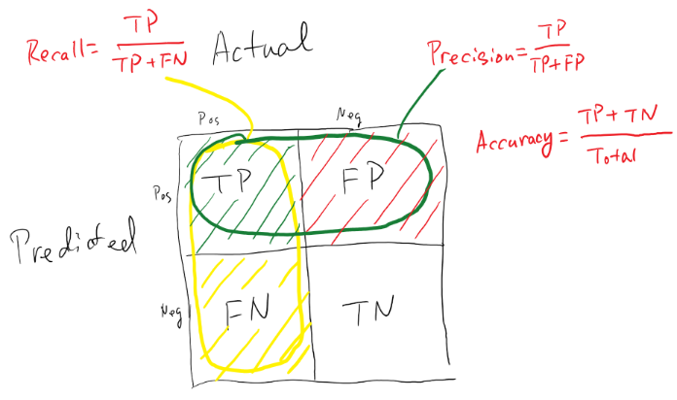
Misclassification Rate: Overall, how often is it wrong? also known as "Error Rate"
(FP+FN)/total = error rate (equivalent to 1 minus Accuracy)
True Positive Rate: When it's actually yes, how often does it predict yes? also known as "Sensitivity" or "Recall"
TP/actual yes = recall or sensitivity
False Positive Rate: When it's actually no, how often does it predict yes?
FP/actual no = false positive rate
True Negative Rate: When it's actually no, how often does it predict no? also known as "Specificity"
TN/actual no = Specificity (equivalent to 1 minus False Positive Rate)
Precision: When it predicts yes, how often is it correct?
TP/predicted yes = precision
Prevalence: How often does the yes condition actually occur in our sample?
actual yes/total = Prevalence

